BugReports
ID | #1
Summary | The user can not log in with valid data
Description | When a registered user enters a valid username and password and clicks the login button, the user can not log in
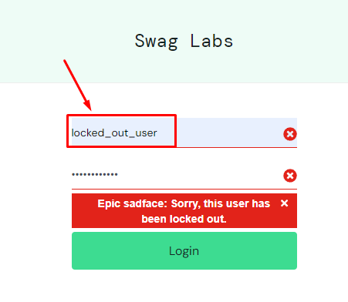
Steps to reproduce | Expected result | Actual result | Priority | Screenshot
1. Open a browser |  |  | High priority
2. Navigate to the login page
3. Enter locked_out_user in username field
4. Enter secret_sauce in the password field
5 . Click on the login button | The user is successfully logged in | The error message appears

ID | #2
Summary | Sort button is not all clickable
Description | When user clicks on right corner of sort button, sort menu not appears
Steps to reproduce | Expected result | Actual result | Priority | Screenshot
1. Open a browser |  |  | Low | 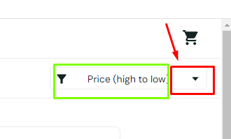
2. Navigate to the login page
3. Login with a valid credentials
4. Click on right corner of sort button | Sort menu is open | Sort menu isn't open

ID | #3
Summary | User can not add multiple same products to cart
Description | The option to add more of the same product to the cart does not work
Steps to reproduce | Expected result | Actual result | Priority | Screenshot
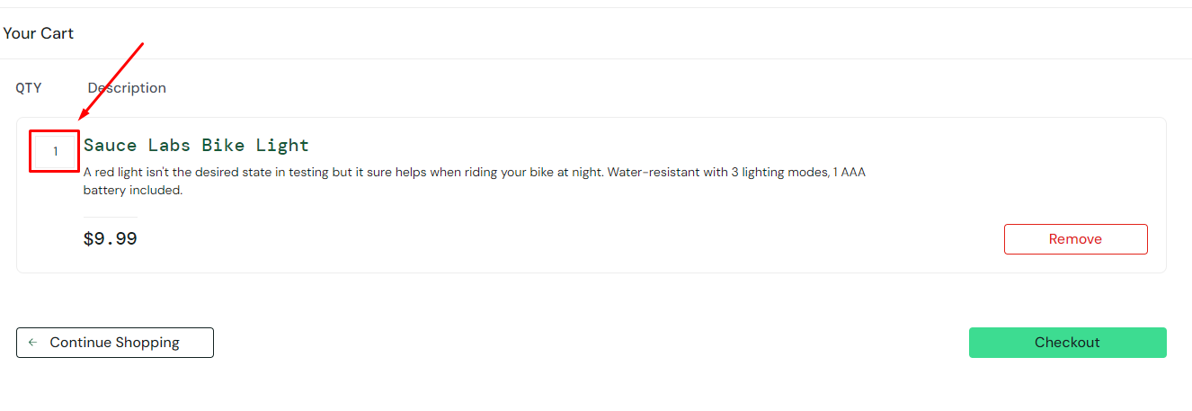
1. Open a browser |  |  | High
2. Navigate to the login page
3. Login with a valid credentials
4. Click on add to cart button
5. Click on cart icon
6. Click on number of product in the left corner | Enter number two | The user can not click and entered number

ID | #4
Summary | The user can place an order with an invalid zip code
Description | The user can order the product even when he enters an invalid zip code or any letter or number
Steps to reproduce | Expected result | Actual result | Priority | Screenshot

1. Open a browser |  |  | High
2. Navigate to the login page
3. Login with a valid credentials
4. Click on add to cart button
5. Click on cart icon
6. Click on checkout button
6. Input fisrt name
7. Input last name
8.Input zip or postal code
9. Click on continue button | Error message appears | The order finishing page is open

ID | #5
Summary | The user can place an order even when the cart is empty
Description | The user can complete the order successfully even when there is no product in the cart
Steps to reproduce | Expected result | Actual result | Priority | Screenshot
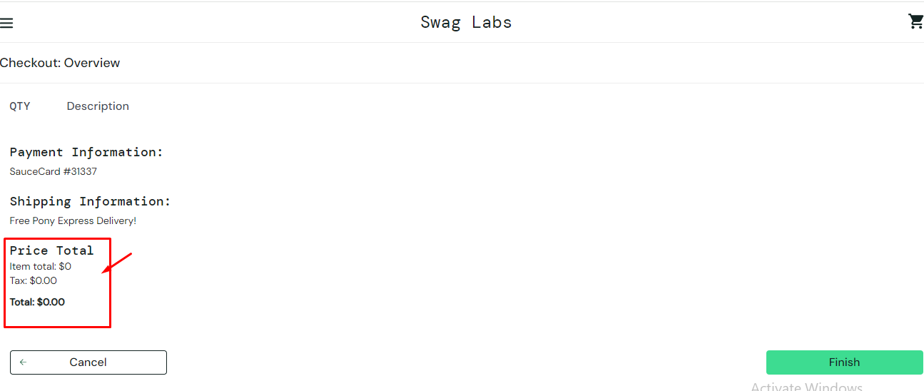
1. Open a browser |  |  | High
2. Navigate to the login page
3. Login with a valid credentials
4. Click on cart icon
5. Click on checkout button
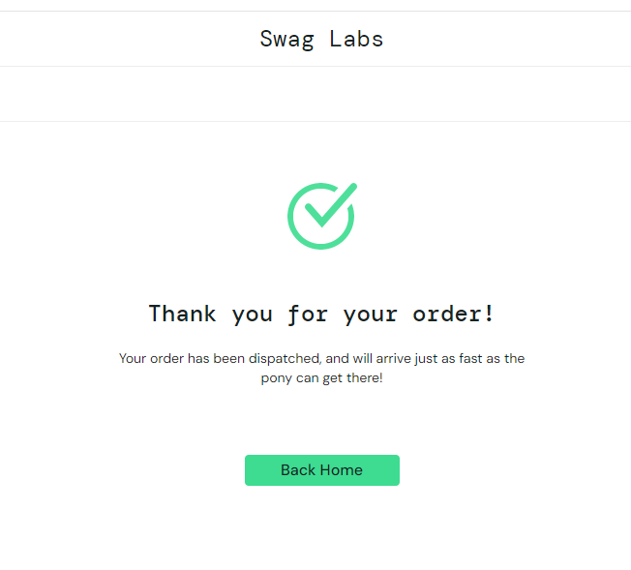
6. Input fisrt name
7. Input last name
8.Input zip or postal code
9. Click on continue button
10. Click on finsih button | Error message appears | The order was successfully placed

ID | #6
Summary | Wrong images on certain accounts
Description | When the user logs in with a certain account, wrong product images appear
Steps to reproduce | Expected result | Actual result | Priority
1. Open a browser |  |  | High priority
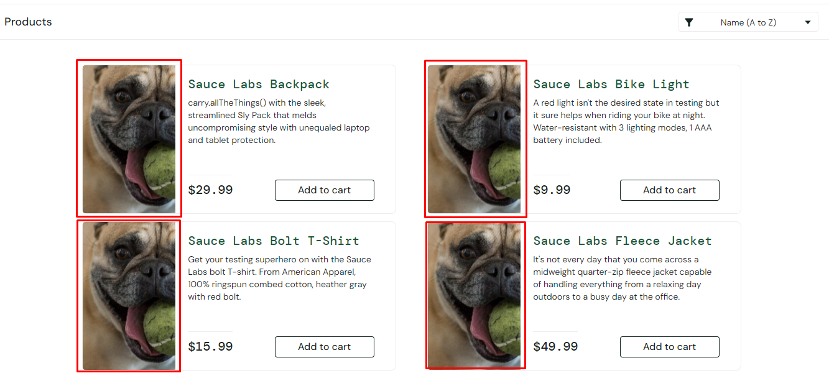
2. Navigate to the login page
3. Enter problem_user or visual_user in username field
4. Enter secret_sauce in the password field
5 . Click on the login button | The user is successfully logged in and product images appear | The user is successfully logged in and wrong product images appear

